Sheet3
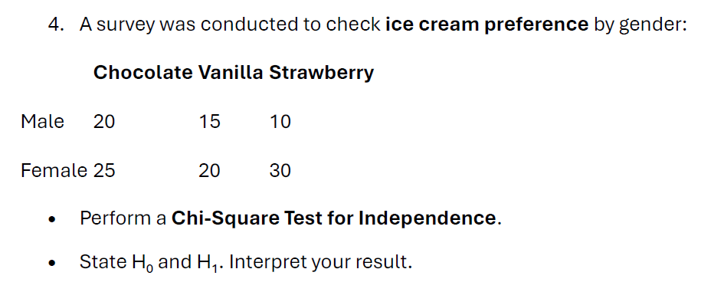
H0:- there is no significance difference between Gender and Flavour.
H1:- there is significance difference between Gender and Flavour.

Oi | Chocolate | Vanilla | Strawberry | Total
Male | 20 | 15 | 10 | 45
Female | 25 | 20 | 30 | 75
Total | 45 | 35 | 40 | 120

Ei | Chocolate | Vanilla | Strawberry | Total
Male | 16.875 | 13.125 | 15 | 45
Female | 28.125 | 21.875 | 25 | 75
Total | 45 | 35 | 40 | 120

x^2 = ((Oi - Ei)^2)/Ei | Chocolate | Vanilla | Strawberry | Total
Male | 0.5787 | 0.2679 | 1.6667 | 2.5132
Female | 0.3472 | 0.1607 | 1.0000 | 1.5079
Total | 0.9259 | 0.4286 | 2.6667 | 4.0212

Df | 2
x^2 | 4.021
x^2 Critical | 5.991

x^2 Critical |  | x^2
5.991 | > | 4.021

conclusion:- here, our x^2 Critical value is > x^2 so, we fail to reject null hypothesis and we conclude that there is no significance difference between Gender and Flavour.

